Tota sales overtime
What is the Total Sales Revenue Overtime? |  | What is the Total Sales Revenue By Day? |  | What are the Peak Order Hours?

Row Labels | Total Sales | Row Labels | Total Sales | Row Labels | Total Sales
2024 |  | Sunday | $15,446 | 6 | $149
Mar | $7,050 | Monday | $18,714 | 7 | $3,161
Apr | $6,721 | Tuesday | $19,148 | 8 | $7,330
May | $9,063 | Wednesday | $17,157 | 9 | $7,672
Jun | $7,759 | Thursday | $17,025 | 10 | $11,333
Jul | $6,916 | Friday | $18,358 | 11 | $9,411
Aug | $7,614 | Saturday | $16,423 | 12 | $8,191
Sep | $9,989 | Grand Total | $122,272 | 13 | $7,449
Oct | $13,891 |  |  | 14 | $7,706
Nov | $8,591 |  |  | 15 | $8,380
Dec | $8,238 |  |  | 16 | $9,847
2025 |  |  |  | 17 | $8,537
Jan | $6,399 |  |  | 18 | $7,966
Feb | $16,779 |  |  | 19 | $8,462
Mar | $13,262 |  |  | 20 | $5,822
Grand Total | $122,272 |  |  | 21 | $6,836
Total Sales Revenue Overtime
 | Total
Mar | $7,050
Apr | $6,721
May | $9,063
Jun | $7,759
Jul | $6,916
Aug | $7,614
Sep | $9,989
Oct | $13,891
Nov | $8,591
Dec | $8,238
Jan | $6,399
Feb | $16,779
Mar | $13,262
 |  |  |  | 22 | $3,934
 |  |  |  | 23 | $87
 |  |  |  | Grand Total | $122,272

Total Sales Revenue By Day

the Peak Order Hours

Payment Method
Which Payment Method is Most Used By Sales and Orders?

Row Labels | Total Orders
card | 3729
cash | 167
Grand Total | 3896 | 3896

Payment Method is Most Used By Orders

Products
Which Product is Most Ordered vs Most Revenue-Generating?

Product is Most Ordered vs Most Revenue-Generating
Row Labels | Total Sales | Total Orders
Americano with Milk | $26,319 | 866
Latte | $28,658 | 806
Americano | $15,437 | 593
Cappuccino | $18,514 | 517
Cortado | $7,535 | 292
Hot Chocolate | $10,172 | 282
Cocoa | $8,678 | 243
Espresso | $3,187 | 152
Irish whiskey | $525 | 21
Tea | $240 | 16
Coffee with Irish whiskey | $464 | 16
Irish whiskey with milk | $405 | 15
Chocolate with milk | $324 | 12
Double Irish whiskey | $336 | 12
Caramel with Irish whiskey | $224 | 8
Super chocolate | $168 | 6
Mochaccino | $150 | 5
Chocolate with coffee | $150 | 5
Irish with chocolate | $135 | 5
Caramel with chocolate | $112 | 4
Caramel with milk | $75 | 3
Vanilla with Irish whiskey | $84 | 3
Double vanilla | $47 | 2
Caramel coffee | $56 | 2
Double espresso with milk | $64 | 2
Double ristretto | $27 | 1
Vanilla coffee | $27 | 1
Hot milkshake | $30 | 1
Caramel | $22 | 1
Chocolate | $25 | 1
Coffee with chocolate | $28 | 1
Double chocolate | $25 | 1
Double espresso | $27 | 1
Grand Total | $122,272 | $3,896

correlation
Is There a Correlation Between Price and Order Frequency?

Correlation Between Price and Order Frequency
Row Labels | Average of money | Total Orders | Row Labels | Average of money | Total Orders
Americano | 26 | 593 | Americano | 26 | 593
Americano with Milk | 30 | 866 | Americano with Milk | 30 | 866
Cappuccino | 36 | 517 | Cappuccino | 26 | 593
Caramel | 22 | 1 | Caramel | 22 | 1
Caramel coffee | 28 | 2 | Caramel coffee | 26 | 593
Caramel with chocolate | 28 | 4 | Caramel with chocolate | 28 | 4
Caramel with Irish whiskey | 28 | 8 | Caramel with Irish whiskey | 26 | 593
Caramel with milk | 25 | 3 | Caramel with milk | 25 | 3
Chocolate | 25 | 1 | Chocolate | 26 | 593
Chocolate with coffee | 30 | 5 | Chocolate with coffee | 30 | 5
Chocolate with milk | 27 | 12 | Chocolate with milk | 26 | 593
Cocoa | 36 | 243 | Cocoa | 36 | 243
Coffee with chocolate | 28 | 1 | Coffee with chocolate | 26 | 593
Coffee with Irish whiskey | 29 | 16 | Coffee with Irish whiskey | 29 | 16
Cortado | 26 | 292 | Cortado | 26 | 593
Double chocolate | 25 | 1 | Double chocolate | 25 | 1
Double espresso | 27 | 1 | Double espresso | 26 | 593
Double espresso with milk | 32 | 2 | Double espresso with milk | 32 | 2
Double Irish whiskey | 28 | 12 | Double Irish whiskey | 26 | 593
Double ristretto | 27 | 1 | Double ristretto | 27 | 1
Double vanilla | 24 | 2 | Double vanilla | 26 | 593
Espresso | 21 | 152 | Espresso | 21 | 152
Hot Chocolate | 36 | 282 | Hot Chocolate | 26 | 593
Hot milkshake | 30 | 1 | Hot milkshake | 30 | 1
Irish whiskey | 25 | 21 | Irish whiskey | 26 | 593
Irish whiskey with milk | 27 | 15 | Irish whiskey with milk | 27 | 15
Irish with chocolate | 27 | 5 | Irish with chocolate | 26 | 593
Latte | 36 | 806 | Latte | 36 | 806
Mochaccino | 30 | 5 | Mochaccino | 26 | 593
Super chocolate | 28 | 6 | Super chocolate | 28 | 6
Tea | 15 | 16 | Tea | 26 | 593
Vanilla coffee | 27 | 1 | Vanilla coffee | 27 | 1
Vanilla with Irish whiskey | 28 | 3 | Vanilla with Irish whiskey | 26 | 593
Grand Total | $31 | $3,896

Wire Frame
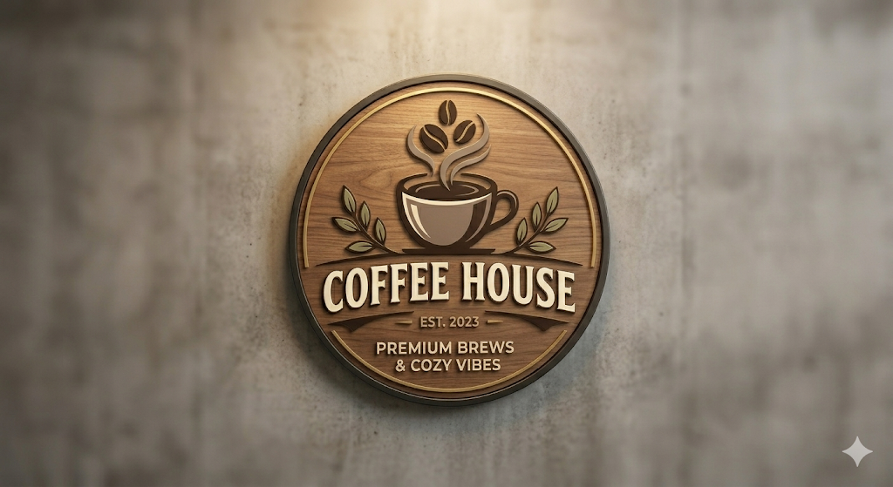
Coffee Shop Performance

Dashboard 2
Coffee Shop Performance
y

Total Sales
$122,272
Total Orders
3896
AVG Sales /Orders
32
Products
33

Top Products by Revenue & Orders
 | Total Sales | Total Orders
Americano with Milk | $26,319 | 866
Latte | $28,658 | 806
Americano | $15,437 | 593
Cappuccino | $18,514 | 517
Cortado | $7,535 | 292
Hot Chocolate | $10,172 | 282
Cocoa | $8,678 | 243
Espresso | $3,187 | 152
Irish whiskey | $525 | 21
Tea | $240 | 16
Coffee with Irish whiskey | $464 | 16
Irish whiskey with milk | $405 | 15
Chocolate with milk | $324 | 12
Double Irish whiskey | $336 | 12
Caramel with Irish whiskey | $224 | 8
Super chocolate | $168 | 6
Mochaccino | $150 | 5
Chocolate with coffee | $150 | 5
Irish with chocolate | $135 | 5
Caramel with chocolate | $112 | 4
Caramel with milk | $75 | 3
Vanilla with Irish whiskey | $84 | 3
Double vanilla | $47 | 2
Caramel coffee | $56 | 2
Double espresso with milk | $64 | 2
Double ristretto | $27 | 1
Vanilla coffee | $27 | 1
Hot milkshake | $30 | 1
Caramel | $22 | 1
Chocolate | $25 | 1
Coffee with chocolate | $28 | 1
Double chocolate | $25 | 1
Double espresso | $27 | 1
Total Sales Revenue Overtime
 | Total
Mar | $7,050
Apr | $6,721
May | $9,063
Jun | $7,759
Jul | $6,916
Aug | $7,614
Sep | $9,989
Oct | $13,891
Nov | $8,591
Dec | $8,238
Jan | $6,399
Feb | $16,779
Mar | $13,262

Total Sales Revenue By Day
 | Total
Sunday | $15,446
Monday | $18,714
Tuesday | $19,148
Wednesday | $17,157
Thursday | $17,025
Friday | $18,358
Saturday | $16,423
Payment Method is Most Used By Orders
 | Total
card | 3729
cash | 167
Correlation Between Price and Order Frequency
26 | 593
30 | 866
26 | 593
22 | 1
26 | 593
28 | 4
26 | 593
25 | 3
26 | 593
30 | 5
26 | 593
36 | 243
26 | 593
29 | 16
26 | 593
25 | 1
26 | 593
32 | 2
26 | 593
27 | 1
26 | 593
21 | 152
26 | 593
30 | 1
26 | 593
27 | 15
26 | 593
36 | 806
26 | 593
28 | 6
26 | 593
27 | 1
26 | 593
The Peak Sales Hours
 | Total
6 | $149
7 | $3,161
8 | $7,330
9 | $7,672
10 | $11,333
11 | $9,411
12 | $8,191
13 | $7,449
14 | $7,706
15 | $8,380
16 | $9,847
17 | $8,537
18 | $7,966
19 | $8,462
20 | $5,822
21 | $6,836
22 | $3,934
23 | $87

